Resources- Financials
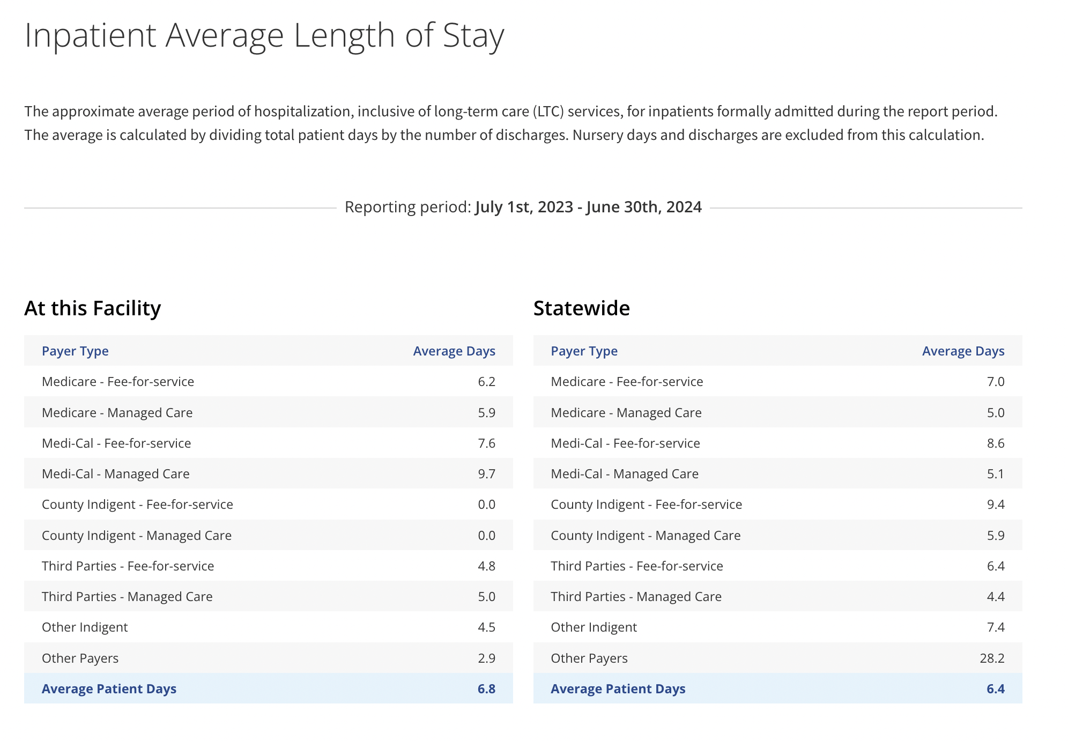
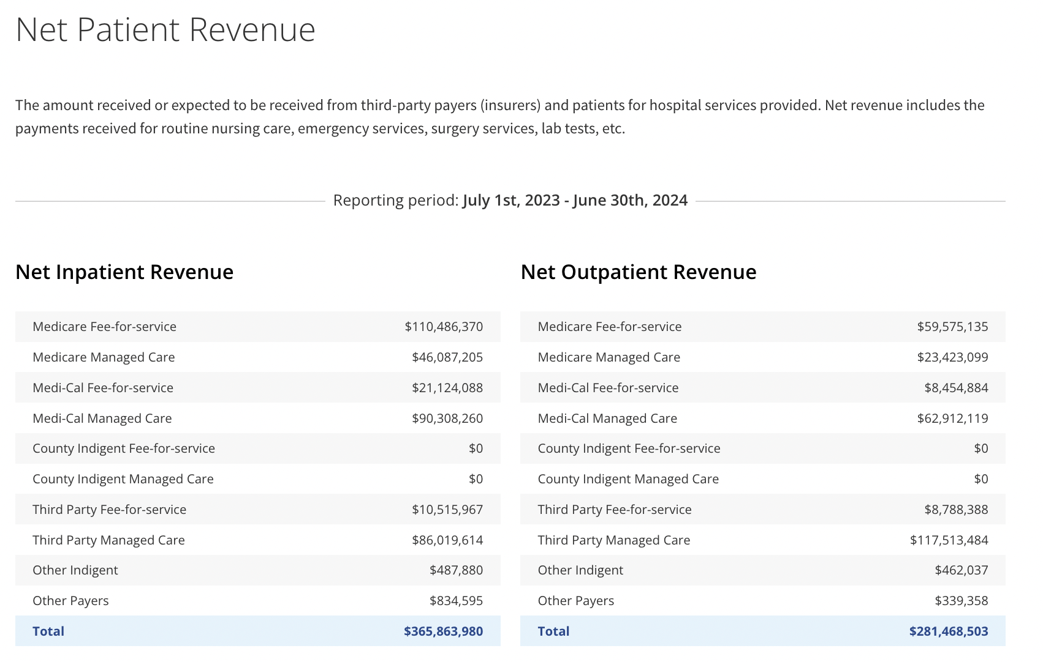
 |  |  |  |  |  |  |  | *2019 Hospital utilization report
 |  |  |  |  |  |  |  | INPATIENT BED UTILIZATION | Licensed |  |  | Intra-hospital |  | Average |  | Lic. Bed
 |  |  |  |  |  |  |  |  | Beds (incl. | Patient | Hospital | Transfers from |  | Length of | Licensed | Occupancy
 |  |  |  |  |  |  |  | Licensed Bed Classification / Designation | beds in susp.) | Days | Discharges | Critical Care |  | Stay (est.) | Bed Days | Rate (%)
 |  |  |  |  |  |  |  | Medical/Surgical Acute (includes GYN/DOU) | 179 | 35,737 | 8,418 |  |  | 4.2 | 65,335 | 54.70%
 |  |  |  |  |  |  |  | Perinatal (includes LDRP, excludes nursery) | 27 | 2,673 | 1,230 |  |  | 2.2 | 9,855 | 27.12%
 |  |  |  |  |  |  |  | Pediatric Acute | 0 | 0 | 0 |  |  | 0 | 0 | 0.00%
 |  |  |  |  |  |  |  | Intensive Care | 10 | 5,803 | 405 | 1,770 |  | 2.7 | 3,650 | 158.99%
 |  |  |  |  |  |  |  | Coronary Care | 10 | 0 | 0 | 0 |  | 0 | 3,650 | 0.00%
 |  |  |  |  |  |  |  | Acute Respiratory Care | 0 | 0 | 0 | 0 |  | 0 | 0 | 0.00%
 |  |  |  |  |  |  |  | Burn Center | 0 | 0 | 0 | 0 |  | 0 | 0 | 0.00%
 |  |  |  |  |  |  |  | Intensive Care Newborn Nursery | 16 | 2,000 | 165 | 0 |  | 12.1 | 5,840 | 34.25%
 |  |  |  |  |  |  |  | Rehabilitation Center | 23 | 6,190 | 422 |  |  | 14.7 | 8,395 | 73.73%
 |  |  |  |  |  |  |  | Sub-total - General Acute Care | 265 | 52,403 | 10,640 |  |  | 4.9 | 96,725 | 54.18%
 |  |  |  |  |  |  |  | Acute Psychiatric | 0 | 0 | 0 |  |  | 0 | 0 | 0.00%
 |  |  |  |  |  |  |  | Chemical Dependency Recovery Hospital (CDRH) | 0 | 0 | 0 |  |  | 0 | 0 | 0.00%
 |  |  |  |  |  |  |  | Intermediate Care | 0 | 0 | 0 |  |  |  | 0 | 0.00%
 |  |  |  | Use E38 for number of inpatient admissions (discharges) 2024 |  |  |  | Intermediate Care/Developmentally Disabled | 0 | 0 | 0 |  |  |  | 0 | 0.00%
 |  |  |  | Discharges --> Admissions | 11173 |  |  | Skilled Nursing | 0 | 0 | 0 | 0 |  | 0 | 0 | 0.00%
 |  |  |  | Inpatient Revenue total | $365,863,980.00 |  |  | Hospital Total | 265 | 52,403 | 10,640 |  |  |  | 96,725 | 54.18%
 |  |  |  | Average LOS (in days) | 5.46
 |  |  |  | Average Total Revenue per inpatient admission | $32,745.37
 |  |  |  | Average Total patient days using LOS | 61004.58 |  |  | Treatment Designations and Admissions from ED
 |  |  |  | Average Revenue per inpatient admission per day | $5,997.32 |  |  | ED Visits and Admits by Acuity
Inpatient Bed Utilization* 2024 |  |  |  |  |  |  |  | ED Visit Type | (a) ED Visits without Admission | % ED Visits without Admission | (b) ED Visits with Admission* | % ED Visits with Admission | Total ED Visits (a+b)* | % of Total ED Visits |  | Other ED Information
Line No. | Bed Classification and Bed Designation | (1) Licensed Beds as of 12/31 | (2) Licensed Bed Days | (3) Hospital Discharges (including deaths) | (4) Intra-hospital Transfers | (5) Patient (Census) Days |  | Minor (CPT 99281) | 1,215 | 2.51% | 2 | 0.04% | 1,217 | 2.28% |  | Visits Where Person Left Without Being Treated:
 | GAC Bed Designations |  |  |  |  |  |  | Low/Moderate (CPT 99282) | 4,552 | 9.41% | 3 | 0.06% | 4,555 | 8.54%
1 | Medical / Surgical (include GYN) | 154 | 56364 | 8516 |  | 39960 |  | Moderate (CPT 99283) | 17,660 | 36.49% | 26 | 0.53% | 17,686 | 33.16% |  |  | 419
2 | Perinatal (exclude Newborn / GYN) | 24 | 8784 | 1639 |  | 3342 |  | Severe w/o threat (CPT 99284) | 16,943 | 35.01% | 562 | 11.39% | 17,505 | 32.82%
3 | Pediatric | 0 | 0 |  |  |  |  | Severe w/ threat (CPT 99285) | 8,027 | 16.59% | 4,342 | 87.98% | 12,369 | 23.19% |  | ED Non-emergency (Clinic) Visits
4 | Intensive Care | 10 | 3660 | 317 | 1294 | 4991 |  | Acuity Level Unknown (Unknown CPT Codes)* | 0 | 0.00% | 0 | 0.00% | 0 | 0.00% |  |  | 0
5 | Coronary Care | 10 | 3660 |  |  |  |  | Totals | 48,397 | 100% | 4,935 | 100% | 53,332 | 100%
6 | Acute Respiratory Care | 0 | 0
7 | Burn | 0 | 0 |  |  |  |  | Percent of Total ED Visits Resulting in Admission: |  | 9.25% |  | * If ED Visit Type detail is unavailable, then hospitals will only report a Total. Those ED visits will then be designated as “Acuity Level Unknown."
8 | Intensive Care Newborn Nursery | 20 | 7320 | 187 | 0 | 2724
9 | Rehabilitation Center | 23 | 8418 | 514 |  | 6563
15 | Subtotal - GAC | 241 | 88206 | 11173 |  | 57580
 |  |  |  |  |  |  |  | Inpatient Bed Utilization* 2020 |  |  |  |  |  |  |  |  |  | Inpatient Bed Utilization* 2018
16 | Chemical Dependency Recovery Hospital | 0 | 0 |  |  |  |  | Line No. | Bed Classification and Bed Designation | (1) Licensed Beds as of 12/31 | (2) Licensed Bed Days | (3) Hospital Discharges (including deaths) | (4) Intra-hospital Transfers | (5) Patient (Census) Days |  |  |  | Line No. | Bed Classification and Bed Designation | (1) Licensed Beds as of 12/31 | (2) Licensed Bed Days | (3) Hospital Discharges (including deaths) | (4) Intra-hospital Transfers | (5) Patient (Census) Days
17 | Acute Psychiatric | 0 | 0 |  |  |  |  |  | GAC Bed Designations |  |  |  |  |  |  |  |  |  | GAC Bed Designations
18 | Skilled Nursing | 0 | 0 |  |  |  |  | 1 | Medical / Surgical (include GYN) | 179 | 65514 | 7441 |  | 32259 |  |  |  | 1 | Medical / Surgical (include GYN) | 179 | 65335 | 8773 |  | 35644
19 | Intermediate Care | 0 | 0 |  |  |  |  | 2 | Perinatal (exclude Newborn / GYN) | 27 | 9882 | 1061 |  | 2053 |  |  |  | 2 | Perinatal (exclude Newborn / GYN) | 27 | 9855 | 1596 |  | 3466
20 | Intermediate Care / Developmentally Disabled | 0 | 0 |  |  |  |  | 3 | Pediatric | 0 | 0 |  |  |  |  |  |  | 3 | Pediatric | 0 | 0
25 | Total (Sum of lines 15 thru 20) | 241 | 88206 | 11173 |  | 57580 |  | 4 | Intensive Care | 10 | 3660 | 329 | 1613 | 6182 |  |  |  | 4 | Intensive Care | 10 | 3650 | 388 | 1861 | 5461
 | Occupancy Rate | 65.28% |  |  |  |  |  | 5 | Coronary Care | 10 | 3660 |  |  |  |  |  |  | 5 | Coronary Care | 10 | 3650 | 0 | 0 | 0
 |  |  |  |  |  |  |  | 6 | Acute Respiratory Care | 0 | 0 |  |  |  |  |  |  | 6 | Acute Respiratory Care | 0 | 0
 | 2018 | 2019 | 2020 | 2021 | 2022 | 2023 | 2024 | 7 | Burn | 0 | 0 |  |  |  |  |  |  | 7 | Burn | 0 | 0
Bed Occupancy Rate (suggests persistent unused licensed capacity.) | 55.32% | 54.18% | 49.53% | 52.39% | 53.24% | 63.24% | 65.28% | 8 | Intensive Care Newborn Nursery | 20 | 6336 | 137 |  | 1872 |  |  |  | 8 | Intensive Care Newborn Nursery | 16 | 5840 | 191 |  | 2475
 |  |  |  |  |  |  |  | 9 | Rehabilitation Center | 23 | 8418 | 420 |  | 5914 |  |  |  | 9 | Rehabilitation Center | 23 | 8395 | 460 |  | 6458
 |  |  |  |  |  |  |  | 15 | Subtotal - GAC | 269 | 97470 | 9388 |  | 48280 |  |  |  | 15 | Subtotal - GAC | 265 | 96725 | 11408 |  | 53504
Typical Bed Occupancy Rates for U.S Acute care hospitals | INCREASE 1% occupancy = meaningful incremental volume for revenue opportunity.
Low benchmark | 70-75% |  | If 5 new patients admitted per day |  |  |  |  | 16 | Chemical Dependency Recovery Hospital | 0 | 0 |  |  |  |  |  |  | 16 | Chemical Dependency Recovery Hospital | 0 | 0
Medium Benchmark | 80-85% |  | Additional Revenue per day | $27,338.29 |  |  |  | 17 | Acute Psychiatric | 0 | 0 |  |  |  |  |  |  | 17 | Acute Psychiatric | 0 | 0
High Benchmaork | 90%+ |  | Additional Revenue per month | $831,539.55 |  |  |  | 18 | Skilled Nursing | 0 | 0 |  |  |  |  |  |  | 18 | Skilled Nursing | 0 | 0
 |  |  | Additional revenue per year | $9,978,474.59 |  |  |  | 19 | Intermediate Care | 0 | 0 |  |  |  |  |  |  | 19 | Intermediate Care | 0 | 0
To get to 75% occupancy (target) | *using 2024 data points |  |  |  |  |  |  | 20 | Intermediate Care / Developmentally Disabled | 0 | 0 |  |  |  |  |  |  | 20 | Intermediate Care / Developmentally Disabled | 0 | 0
licensed beds | 241 |  | 2024 ED admission conversion rate | 12.34% |  |  |  | 25 | Total (Sum of lines 15 thru 20) | 269 | 97470 | 9388 |  | 48280 |  |  |  | 25 | Total (Sum of lines 15 thru 20) | 265 | 96725 | 11408 |  | 53504
licensed bed days | 88206 |  | if all incremental admissions came from ED (new ED admissions) | 8851 |  |  |  |  | Occupancy Rate | 49.53% |  |  |  |  |  |  |  |  | Occupancy Rate | 55.32%
patient (census) days | 57580 |  | New ED conversion rate required | 15.19%
discharges | 11173 |  | Change in conversion rate (+) | 2.86% |  |  |  | Inpatient Bed Utilization* 2021
occupancy rate | 0.6528 |  | Change in admissions (+) | 23.15% |  |  |  | Line No. | Bed Classification and Bed Designation | (1) Licensed Beds as of 12/31 | (2) Licensed Bed Days | (3) Hospital Discharges (including deaths) | (4) Intra-hospital Transfers | (5) Patient (Census) Days
Target patient days at 75% | 66155 |  | Practical Interpretation (for 75% occupancy via ED) |  |  |  |  |  | GAC Bed Designations
Additional Patients needed | 8575 |  | (+) ED admissions per day | 4.56 |  |  |  | 1 | Medical / Surgical (include GYN) | 179 | 65335 | 7712 |  | 35141
Average Length of Stay | 5.15 |  | (+) ED admissions per month | 138.65 |  |  |  | 2 | Perinatal (exclude Newborn / GYN) | 27 | 9855 | 1143 |  | 2245
Additional Admissions | 1664 |  |  |  |  |  |  | 3 | Pediatric | 0 | 0
 |  |  |  |  |  |  |  | 4 | Intensive Care | 10 | 3650 | 348 | 1348 | 5496
Required admissions per month | 139 |  |  |  |  |  |  | 5 | Coronary Care | 10 | 3650
Addtional admissions per day | 4.56 |  |  |  |  |  |  | 6 | Acute Respiratory Care | 0 | 0
 |  |  |  |  |  |  |  | 7 | Burn | 0 | 0
 |  |  |  |  |  |  |  | 8 | Intensive Care Newborn Nursery | 20 | 7300 | 152 |  | 1950
 |  |  |  |  |  |  |  | 9 | Rehabilitation Center | 23 | 8395 | 487 |  | 6608
Emergency Department Services 2024 |  |  |  |  |  |  |  | 15 | Subtotal - GAC | 269 | 98185 | 9842 |  | 51440
Line No. | EDS Visit Type | CPT Codes | (1) Visits not Resulting in Admission* | (2) Admitted from ED (Enter Total Only if Details not Available) | (3) Total ED Traffic (cols 1 + 2)
21 | Physician May Not Be Required | 99281 | 720 | 1 |  |  |  | 16 | Chemical Dependency Recovery Hospital | 0 | 0
22 | Straightforward Complexity | 99282 | 7056 | 5 |  |  |  | 17 | Acute Psychiatric | 0 | 0
23 | Low Complexity | 99283 | 16603 | 21 |  |  |  | 18 | Skilled Nursing | 0 | 0
24 | Moderate Complexity | 99284 | 17062 | 401 |  |  |  | 19 | Intermediate Care | 0 | 0
25 | High Complexity | 99285 | 9628 | 6759 |  | 58256 |  | 20 | Intermediate Care / Developmentally Disabled | 0 | 0
30 | Total |  | 51069 | 7187 | 58256 | 12.34% |  | 25 | Total (Sum of lines 15 thru 20) | 269 | 98185 | 9842 |  | 51440
 |  |  |  |  |  | 87.66% |  |  | Occupancy Rate | 52.39%
Emergency Medical Treatment Stations on December 31*
Line No. |  |  | -1 |  |  | 162.7240628 |  | Inpatient Bed Utilization*2022
35 | Enter the number of emergency medical treatment stations |  | 31 |  |  |  |  | Line No. | Bed Classification and Bed Designation | (1) Licensed Beds as of 12/31 | (2) Licensed Bed Days | (3) Hospital Discharges (including deaths) | (4) Intra-hospital Transfers | (5) Patient (Census) Days
 |  |  |  |  |  |  |  |  | GAC Bed Designations
Non-Emergency (Clinic) Visits Seen in Emergency Department |  |  |  |  |  |  |  | 1 | Medical / Surgical (include GYN) | 154 | 64560 | 7890 |  | 36250
Line No. |  |  | -1 |  |  |  |  | 2 | Perinatal (exclude Newborn / GYN) | 24 | 9762 | 1170 |  | 2328
40 | Enter the number of non-emergency (clinic) visits seen in ED. |  | 0 |  |  |  |  | 3 | Pediatric | 0 | 0
 |  |  |  |  |  |  |  | 4 | Intensive Care | 10 | 3650 | 312 | 1374 | 5139
Emergency Registrations, But Patient Leaves Without Being Seen* |  |  |  |  | *CAPTURE OPPORTUNITY |  |  | 5 | Coronary Care | 10 | 3650
Line No. |  |  | -1 |  |  |  |  | 6 | Acute Respiratory Care | 0 | 0
45 | Enter the number of EDS registrations that did NOT result in treatment |  | 1319 |  |  |  |  | 7 | Burn | 0 | 0
 |  |  |  |  |  |  |  | 8 | Intensive Care Newborn Nursery | 20 | 7300 | 143 |  | 1922
ED Inpatient Conversion Rate | 12.34% |  |  |  |  |  |  | 9 | Rehabilitation Center | 23 | 8395 | 486 |  | 6176
 |  |  |  |  |  |  |  | 15 | Subtotal - GAC | 241 | 97317 | 10001 |  | 51815

 |  |  |  |  |  |  |  | 16 | Chemical Dependency Recovery Hospital | 0 | 0
 |  |  |  |  |  |  |  | 17 | Acute Psychiatric | 0 | 0
 |  |  |  |  |  |  |  | 18 | Skilled Nursing | 0 | 0
 |  |  |  |  |  |  |  | 19 | Intermediate Care | 0 | 0
 |  |  |  |  |  |  |  | 20 | Intermediate Care / Developmentally Disabled | 0 | 0
 |  |  |  |  |  |  |  | 25 | Total (Sum of lines 15 thru 20) | 241 | 97317 | 10001 |  | 51815
 |  |  |  |  |  |  |  |  | Occupancy Rate | 53.24%

 |  |  |  |  |  |  |  | Inpatient Bed Utilization* 2023
 |  |  |  |  |  |  |  | Line No. | Bed Classification and Bed Designation | (1) Licensed Beds as of 12/31 | (2) Licensed Bed Days | (3) Hospital Discharges (including deaths) | (4) Intra-hospital Transfers | (5) Patient (Census) Days
 |  |  |  |  |  |  |  |  | GAC Bed Designations
 |  |  |  |  |  |  |  | 1 | Medical / Surgical (include GYN) | 154 | 56210 | 7970 |  | 38805
 |  |  |  |  |  |  |  | 2 | Perinatal (exclude Newborn / GYN) | 24 | 8760 | 1265 |  | 2505
 |  |  |  |  |  |  |  | 3 | Pediatric | 0 | 0
 |  |  |  |  |  |  |  | 4 | Intensive Care | 10 | 3650 | 294 | 1364 | 5189
 |  |  |  |  |  |  |  | 5 | Coronary Care | 10 | 3650
 |  |  |  |  |  |  |  | 6 | Acute Respiratory Care | 0 | 0
 |  |  |  |  |  |  |  | 7 | Burn | 0 | 0
 |  |  |  |  |  |  |  | 8 | Intensive Care Newborn Nursery | 20 | 7300 | 150 |  | 2195
 |  |  |  |  |  |  |  | 9 | Rehabilitation Center | 23 | 8395 | 520 |  | 6936
 |  |  |  |  |  |  |  | 15 | Subtotal - GAC | 241 | 87965 | 10199 |  | 55630

 |  |  |  |  |  |  |  | 16 | Chemical Dependency Recovery Hospital | 0 | 0
 |  |  |  |  |  |  |  | 17 | Acute Psychiatric | 0 | 0
 |  |  |  |  |  |  |  | 18 | Skilled Nursing | 0 | 0
 |  |  |  |  |  |  |  | 19 | Intermediate Care | 0 | 0
 |  |  |  |  |  |  |  | 20 | Intermediate Care / Developmentally Disabled | 0 | 0
 |  |  |  |  |  |  |  | 25 | Total (Sum of lines 15 thru 20) | 241 | 87965 | 10199 |  | 55630
 |  |  |  |  |  |  |  |  | Occupancy Rate | 63.24%

